Summary
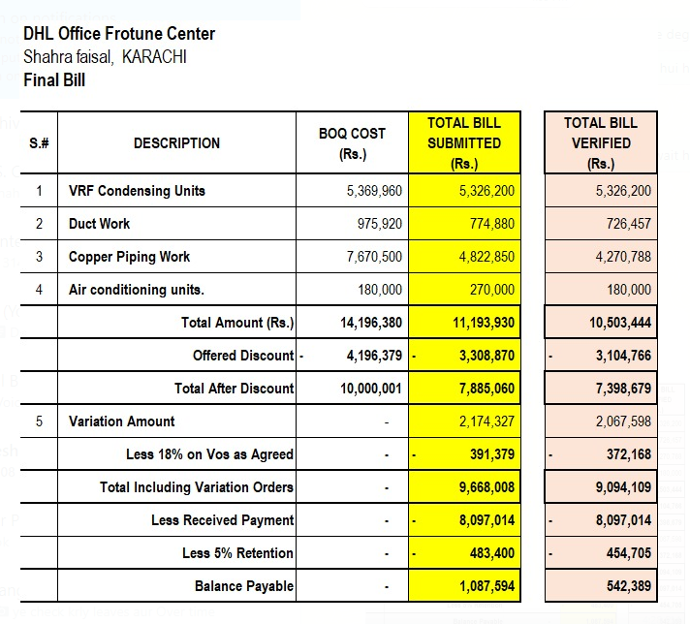
DHL Office Frotune Center
Shahra faisal, KARACHI

FINAL BILL |  | Verified Bill
S.# | DESCRIPTION | TOTAL (Rs.)
1 | VRF Condensing Units | 5,326,200
2 | Duct Work | 726,457
3 | Copper Piping Work | 4,270,788
4 | Air conditioning units. | 180,000
 | Total Amount (Rs.) | 10,503,444

5 | Discount Agreed 19% | 1,995,654
6 | Total Amount (Verified) | 8,507,790

7 | Variation Amount (06 Nos) | 2,067,598 | Under verification Process
8 | Grand Total Amount (Receivables) | 10,575,388
9 | Add 4.5% Tax amount | 475,892
10 | Total | 11,051,280
11 | Received Amount | 8,097,014
12 | Retention 5% | 552,564
13 | Balance Receivables | 2,401,702

Note: 1) The original Quoted BOQ was PKR 14,196,380/-. However, after discussions with Mr. Taha Ghaznavi, the final agreed amount was settled at PKR 11,500,000/-. This reflects a discount of approximately 19%.
2) In the variation scope, a 28% overhead is already included, of which you are entitled to 10%. Therefore, an additional 18% deduction on variations is not justified.
 |  |  |  | 9094109
 |  |  |  | 454705.45

